Arkusz1
 | Product code | Description | Quantity | Packed
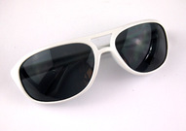 | MO8273-06 | sunglasses, white frame, plastic, UV 400, should not be used while driving | 3657 | 250
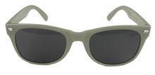 | 66720.12 | sunglasses, grey frame, plastic, UV 400 | 953 | 250
 | 66720.16 | sunglasses, white frame, plastic, UV 400 | 2890 | 250
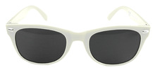 | 10034503K-TTH | sunglasses, ecru frame, plastic, UV 400 | 9526 | 300
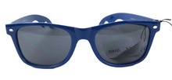 | 10042501TCS | sunglasses with bottle opener in temples, dark blue frame, plastic, UV 400, 12 pcs packed in cardboard box with dimensions 29.5 x 38 x 4.5 cm | 2748 | 240
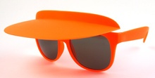 | 10044104TTP | Sunglasses with an adjustable visor, frame color: orange. UV400. Width: 14 cm, length: 14.5 cm, length with a visor: 20 cm | 263 | 240
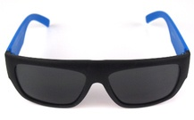 | 10050301TTA | Sunglasses, color: black and blue, width: 14 cm, UV 400 | 3079
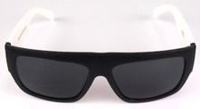 | 10050300TTA | Sunglasses, color: black and white, width: 14 cm, UV 400 | 3829
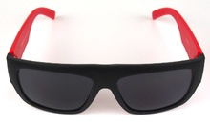 | 10050302TTA | Sunglasses, color: black and red, width: 14 cm, UV 400 | 1431
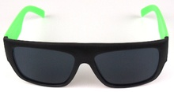 | 10050303TTA | Sunglasses, color: black and green, width: 14 cm, UV 400 | 2500
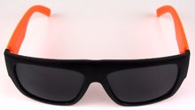 | 10050304TTA | Sunglasses, color: black and orange, width: 14 cm, UV 400 | 3263
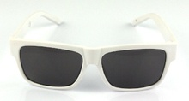 | 07754001-00001 | Sunglasses, color: white, width: 14 cm, UV 400 | 975 | 300
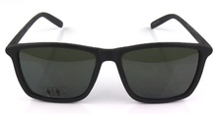 | NER045 | Sunglasses, color: black, width: 14 cm, UV 400 | 198
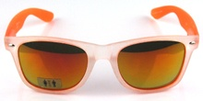 | NER055 | Sunglasses, color: white-orange, lens color: pink-orange, width: 14 cm, UV 400 | 63
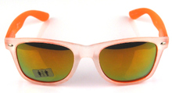 | NER201 | Sunglasses, color: white-orange, lens color: orange-green, width: 14 cm, UV 400 | 364
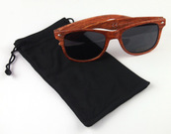 | OKUL.1057374 | sunglasses in a black bag, plastic, packed on a blister size 19 x 13 cm, UV 400 | 5840
 |  |  | 41579

